1 (2)
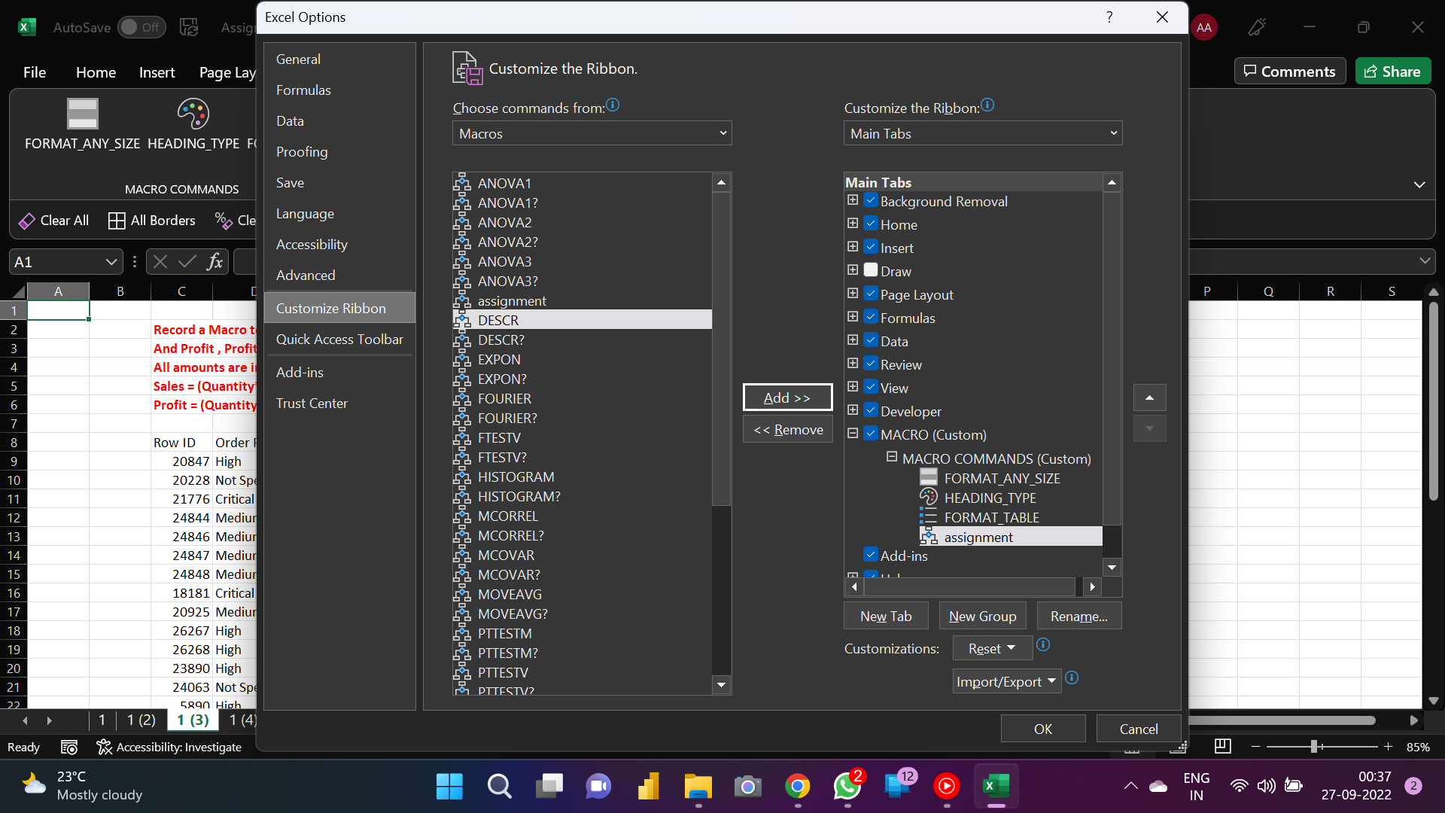
Record a Macro to format the table of any size, with proper Number Formatting |  |  |  |  |  | Note: Assign a Macro as a 'Command' into the 'Custom Tab'
And Profit , Profit % calculation
All amounts are in millions.
Sales = (Quantity*Unit Price)
Profit = (Quantity*Product Margin)-Shipping Cost

Row ID | Order Priority | Quantity ordered | Unit Price | Shipping Cost | Sales amount | Product Margin per unit | Profit | profit % |  |  | profit %
20847 | High | 4 | ₹ 2.84 | ₹ 0.93 | ₹ 11.36 | ₹ 0.54 | ₹ 1.23 | 10.83% | ₹ 0.00 | ₹ 0.00 | #DIV/0!
20228 | Not Specified | 12 | ₹ 500.98 | ₹ 26.00 | ₹ 6,011.76 | ₹ 0.60 | -₹ 18.80 | -0.31% | ₹ 0.00 | ₹ 0.00 | #DIV/0!
21776 | Critical | 22 | ₹ 9.48 | ₹ 7.29 | ₹ 208.56 | ₹ 0.45 | ₹ 2.61 | 1.25% | ₹ 0.00 | ₹ 0.00 | #DIV/0!
24844 | Medium | 16 | ₹ 78.69 | ₹ 19.99 | ₹ 1,259.04 | ₹ 0.43 | -₹ 13.11 | -1.04% | ₹ 0.00 | ₹ 0.00 | #DIV/0!
24846 | Medium | 7 | ₹ 3.28 | ₹ 2.31 | ₹ 22.96 | ₹ 0.56 | ₹ 1.61 | 7.01% | ₹ 0.00 | ₹ 0.00 | #DIV/0!
24847 | Medium | 4 | ₹ 3.28 | ₹ 4.20 | ₹ 13.12 | ₹ 0.56 | -₹ 1.96 | -14.94% | ₹ 0.00 | ₹ 0.00 | #DIV/0!
24848 | Medium | 4 | ₹ 3.58 | ₹ 1.63 | ₹ 14.32 | ₹ 0.36 | -₹ 0.19 | -1.33% | ₹ 0.00 | ₹ 0.00 | #DIV/0!
18181 | Critical | 7 | ₹ 4.42 | ₹ 4.99 | ₹ 30.94 | ₹ 0.38 | -₹ 2.33 | -7.53% | ₹ 0.00 | ₹ 0.00 | #DIV/0!
20925 | Medium | 10 | ₹ 35.94 | ₹ 6.66 | ₹ 359.40 | ₹ 0.40 | -₹ 2.66 | -0.74% | ₹ 0.00 | ₹ 0.00 | #DIV/0!
26267 | High | 6 | ₹ 2.98 | ₹ 1.58 | ₹ 17.88 | ₹ 0.39 | ₹ 0.76 | 4.25% | ₹ 0.00 | ₹ 0.00 | #DIV/0!
26268 | High | 10 | ₹ 115.99 | ₹ 2.50 | ₹ 1,159.90 | ₹ 0.55 | ₹ 3.00 | 0.26% | ₹ 0.00 | ₹ 0.00 | #DIV/0!
23890 | High | 17 | ₹ 26.48 | ₹ 6.93 | ₹ 450.16 | ₹ 0.49 | ₹ 1.40 | 0.31% | ₹ 0.00 | ₹ 0.00 | #DIV/0!
24063 | Not Specified | 18 | ₹ 12.99 | ₹ 9.44 | ₹ 233.82 | ₹ 0.39 | -₹ 2.42 | -1.03% | ₹ 0.00 | ₹ 0.00 | #DIV/0!
5890 | High | 70 | ₹ 26.48 | ₹ 6.93 | ₹ 1,853.60 | ₹ 0.49 | ₹ 27.37 | 1.48% | ₹ 0.00 | ₹ 0.00 | #DIV/0!
6062 | Not Specified | 58 | ₹ 5.00 | ₹ 3.39 | ₹ 290.00 | ₹ 0.37 | ₹ 18.07 | 6.23% | ₹ 0.00 | ₹ 0.00 | #DIV/0!
6063 | Not Specified | 71 | ₹ 12.99 | ₹ 9.44 | ₹ 922.29 | ₹ 0.39 | ₹ 18.25 | 1.98% | ₹ 0.00 | ₹ 0.00 | #DIV/0!
20631 | High | 1 | ₹ 55.48 | ₹ 14.30 | ₹ 55.48 | ₹ 0.37 | -₹ 13.93 | -25.11% | ₹ 0.00 | ₹ 0.00 | #DIV/0!
20632 | High | 1 | ₹ 1.68 | ₹ 1.57 | ₹ 1.68 | ₹ 0.59 | -₹ 0.98 | -58.33% | ₹ 0.00 | ₹ 0.00 | #DIV/0!
23967 | Not Specified | 12 | ₹ 4.14 | ₹ 6.60 | ₹ 49.68 | ₹ 0.49 | -₹ 0.72 | -1.45% | ₹ 0.00 | ₹ 0.00 | #DIV/0!
23509 | High | 13 | ₹ 34.99 | ₹ 7.73 | ₹ 454.87 | ₹ 0.59 | -₹ 0.06 | -0.01% | ₹ 0.00 | ₹ 0.00 | #DIV/0!
23612 | High | 2 | ₹ 17.98 | ₹ 8.51 | ₹ 35.96 | ₹ 0.40 | -₹ 7.71 | -21.44% | ₹ 0.00 | ₹ 0.00 | #DIV/0!
23278 | Medium | 8 | ₹ 125.99 | ₹ 7.69 | ₹ 1,007.92 | ₹ 0.59 | -₹ 2.97 | -0.29% | ₹ 0.00 | ₹ 0.00 | #DIV/0!
19355 | Low | 22 | ₹ 205.99 | ₹ 8.99 | ₹ 4,531.78 | ₹ 0.56 | ₹ 3.33 | 0.07% | ₹ 0.00 | ₹ 0.00 | #DIV/0!
23654 | Not Specified | 13 | ₹ 4.24 | ₹ 5.41 | ₹ 55.12 | ₹ 0.35 | -₹ 0.86 | -1.56% | ₹ 0.00 | ₹ 0.00 | #DIV/0!
23655 | Not Specified | 18 | ₹ 2.94 | ₹ 0.70 | ₹ 52.92 | ₹ 0.58 | ₹ 9.74 | 18.41% | ₹ 0.00 | ₹ 0.00 | #DIV/0!
25933 | High | 6 | ₹ 99.99 | ₹ 19.99 | ₹ 599.94 | ₹ 0.52 | -₹ 16.87 | -2.81% | ₹ 0.00 | ₹ 0.00 | #DIV/0!
20697 | Medium | 6 | ₹ 115.99 | ₹ 2.50 | ₹ 695.94 | ₹ 0.57 | ₹ 0.92 | 0.13% | ₹ 0.00 | ₹ 0.00 | #DIV/0!
20698 | Medium | 1 | ₹ 3,502.14 | ₹ 8.73 | ₹ 3,502.14 | ₹ 0.57 | -₹ 8.16 | -0.23% | ₹ 0.00 | ₹ 0.00 | #DIV/0!
22890 | High | 17 | ₹ 175.99 | ₹ 5.79 | ₹ 2,991.83 | ₹ 0.36 | ₹ 0.33 | 0.01% | ₹ 0.00 | ₹ 0.00 | #DIV/0!
25354 | High | 20 | ₹ 155.06 | ₹ 1.49 | ₹ 3,101.20 | ₹ 0.38 | ₹ 6.11 | 0.20% | ₹ 0.00 | ₹ 0.00 | #DIV/0!
21017 | Not Specified | 17 | ₹ 5.98 | ₹ 0.70 | ₹ 101.66 | ₹ 0.56 | ₹ 8.82 | 8.68% | ₹ 0.00 | ₹ 0.00 | #DIV/0!
21019 | Not Specified | 3 | ₹ 29.14 | ₹ 5.15 | ₹ 87.42 | ₹ 0.36 | -₹ 4.07 | -4.66% | ₹ 0.00 | ₹ 0.00 | #DIV/0!
23274 | Low | 17 | ₹ 3.69 | ₹ 4.86 | ₹ 62.73 | ₹ 0.38 | ₹ 1.60 | 2.55% | ₹ 0.00 | ₹ 0.00 | #DIV/0!

1 (4)
COMMAND
Record a Macro to format the table of any size, with proper Number Formatting |  |  |  |  |  | Note: Assign a Macro as a 'Command' into the 'Custom Tab'
And Profit , Profit % calculation
All amounts are in millions.
Sales = (Quantity*Unit Price)
Profit = (Quantity*Product Margin)-Shipping Cost

Row ID | Order Priority | Quantity ordered | Unit Price | Shipping Cost | Sales amount | Product Margin per unit | Profit
20847 | High | 4 | 2.84 | 0.93 | 12.29 | 0.54 | 1.23
20228 | Not Specified | 12 | 500.98 | 26 |  | 0.6
21776 | Critical | 22 | 9.48 | 7.29 |  | 0.45
24844 | Medium | 16 | 78.69 | 19.99 |  | 0.43
24846 | Medium | 7 | 3.28 | 2.31 |  | 0.56
24847 | Medium | 4 | 3.28 | 4.2 |  | 0.56
24848 | Medium | 4 | 3.58 | 1.63 |  | 0.36
18181 | Critical | 7 | 4.42 | 4.99 |  | 0.38
20925 | Medium | 10 | 35.94 | 6.66 |  | 0.4
26267 | High | 6 | 2.98 | 1.58 |  | 0.39
26268 | High | 10 | 115.99 | 2.5 |  | 0.55
23890 | High | 17 | 26.48 | 6.93 |  | 0.49
24063 | Not Specified | 18 | 12.99 | 9.44 |  | 0.39
5890 | High | 70 | 26.48 | 6.93 |  | 0.49
6062 | Not Specified | 58 | 5 | 3.39 |  | 0.37
6063 | Not Specified | 71 | 12.99 | 9.44 |  | 0.39
20631 | High | 1 | 55.48 | 14.3 |  | 0.37
20632 | High | 1 | 1.68 | 1.57 |  | 0.59
23967 | Not Specified | 12 | 4.14 | 6.6 |  | 0.49
23509 | High | 13 | 34.99 | 7.73 |  | 0.59
23612 | High | 2 | 17.98 | 8.51 |  | 0.4
23278 | Medium | 8 | 125.99 | 7.69 |  | 0.59
19355 | Low | 22 | 205.99 | 8.99 |  | 0.56
23654 | Not Specified | 13 | 4.24 | 5.41 |  | 0.35
23655 | Not Specified | 18 | 2.94 | 0.7 |  | 0.58
25933 | High | 6 | 99.99 | 19.99 |  | 0.52
20697 | Medium | 6 | 115.99 | 2.5 |  | 0.57
20698 | Medium | 1 | 3502.14 | 8.73 |  | 0.57
22890 | High | 17 | 175.99 | 5.79 |  | 0.36
25354 | High | 20 | 155.06 | 1.49 |  | 0.38
21017 | Not Specified | 17 | 5.98 | 0.7 |  | 0.56
21019 | Not Specified | 3 | 29.14 | 5.15 |  | 0.36
23274 | Low | 17 | 3.69 | 4.86 |  | 0.38

2
Create a form which captures New Joinee Details and save it in a proper dataset in excel.
Note: Assign a Macro to a 'Submit' Button

NEW JOINEE DETAILS
NAME
AGE
D.O.B
SEX
FATHERS/MOTHERS NAME
ADDRESS
PHONE NO.

SUBMIT

